Indices

 | Iraq Stock Exchange
 | Bulletin No (16)
 | ISX Trading Indices of Tuesday 27/1/2026

 | Traded Volume and OTC |  | 773,602,140 |  | Traded Value and OTC |  | 1,390,150,772 |  | Traders | 999

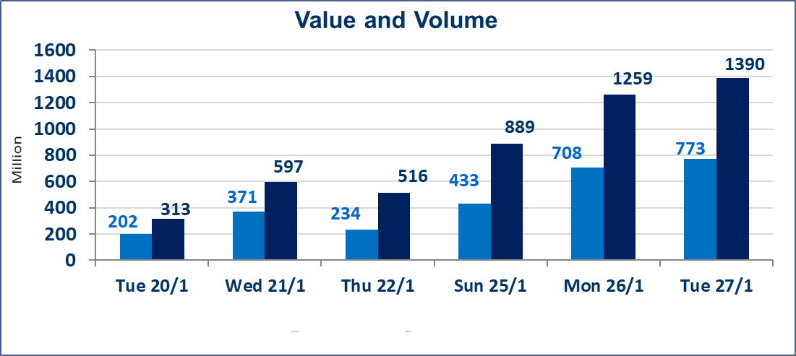
 | ISX Index 60 |  |  | 962.54 | ISX Index 15 |  |  | 1225.96
 | Previous ISX Index60 |  |  | 963.77 | Previous ISX Index15 |  |  | 1213.27
 | Change % |  |  | -0.13 | Change % |  |  | 1.05
 | Change |  |  | -1.23 | Change |  |  | 12.69

 | Listed Companies | 104 | OTC | 14 | Non Traded listed | 31 | OTC | 11
 | Traded Listed Companies | 56 | OTC | 3 | Higher Companies |  |  | 14
 | GAM Companies |  |  | 6 | Lower Companies |  |  | 12
 | Suspended Companies |  |  | 11
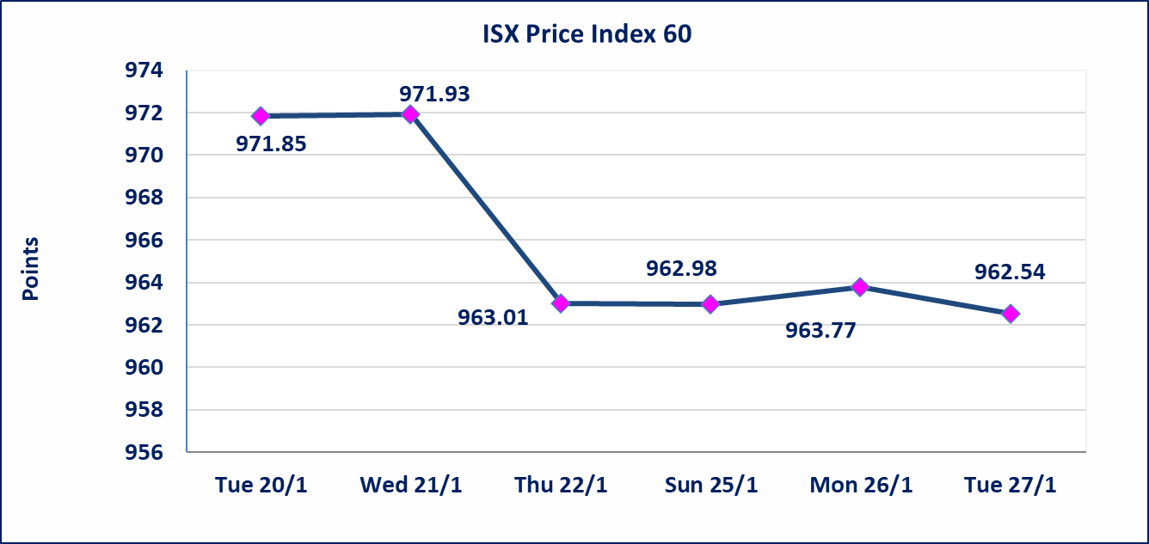
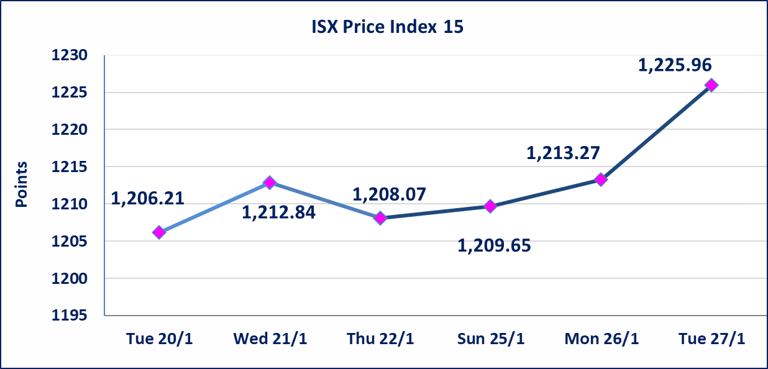

Al-Alwiya P.O . 3607 Mobile: 07711211522 - 07270094594 - 07834000034 E-mail: info-isx@isx-iq.net Web site:www.isx-iq.net

Top 5
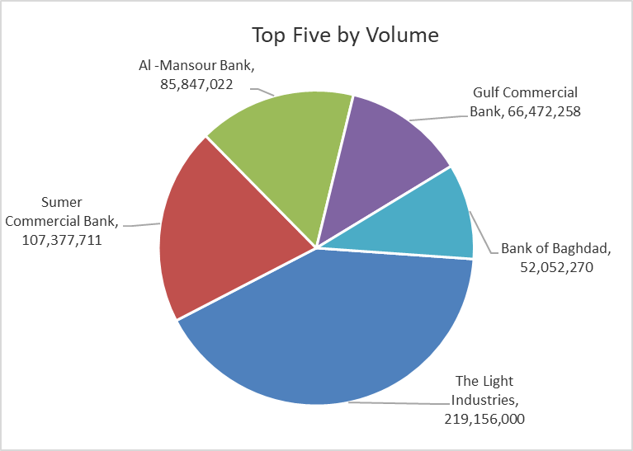
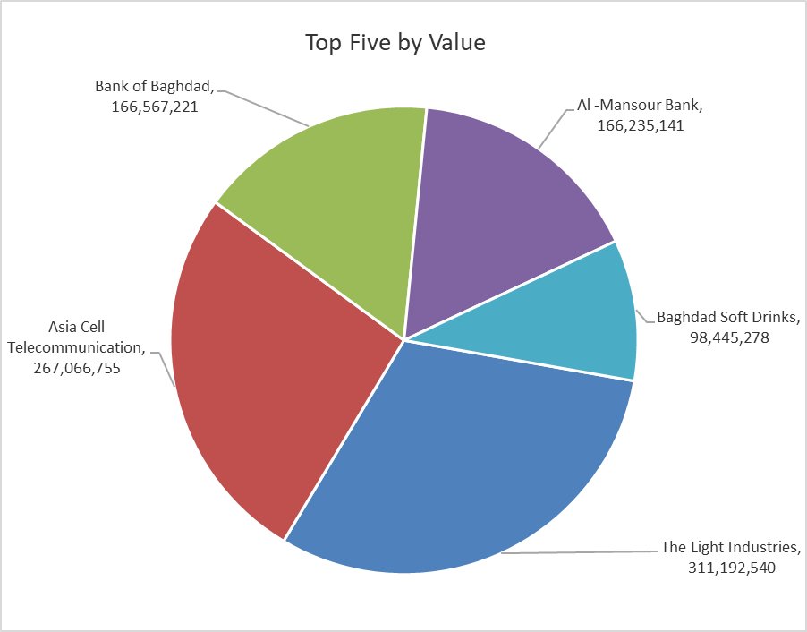

ISX top ganing and losing companies
Tuesday 27/1/2026
 | Gainers |  |  |  | Losers
 | Company Name | Closing Price | Change (%) | Traded Volume | Company Name | Closing Price | Change (%) | Traded Volume
 | Kurdistan International Bank | 1.500 | 7.14 | 1,004,356 | Sumer Commercial Bank | 0.120 | -7.69 | 107,377,711
 | Al-Hamraa for Insurance | 2.830 | 5.99 | 217,265 | Palestine Hotel | 21.150 | -3.86 | 1,372,050
 | Modern Construction Materials | 1.510 | 4.86 | 319,498 | Kharkh Tour Amuzement City | 4.000 | -2.44 | 1,041,681
 | National Chemical &Plastic | 2.020 | 4.66 | 11,368,932 | Iraqi Islamic Bank | 1.020 | -1.92 | 17,164,895
 | Baghdad -Iraq Transportation | 22.500 | 4.65 | 1,500,241 | Iraqi Date Processing and Marketing | 2.850 | -1.72 | 2,213
 | The most active companies in term of traded volume and value

 | Traded Volume |  |  |  | Traded Value
 | Company Name | Closing Price | Change (%) | Traded Volume | Company Name | Closing Price | Change (%) | Traded Value
 | The Light Industries | 1.420 | 2.16 | 219,156,000 | The Light Industries | 1.420 | 2.16 | 311,192,540
 | Sumer Commercial Bank | 0.120 | -7.69 | 107,377,711 | Asia Cell Telecommunication | 14.700 | 3.09 | 267,066,755
 | Al -Mansour Bank | 1.940 | 0.00 | 85,847,022 | Bank of Baghdad | 3.180 | -1.55 | 166,567,221
 | Gulf Commercial Bank | 0.280 | 0.00 | 66,472,258 | Al -Mansour Bank | 1.940 | 0.00 | 166,235,141
 | Bank of Baghdad | 3.180 | -1.55 | 52,052,270 | Baghdad Soft Drinks | 5.870 | 1.56 | 98,445,278

Non Iraqis

Iraq Stock Exchange
Non Iraqis' Bulletin Tuesday Jan 27 2026
Regular Market

Non Iraqi Trading of Regular Market (Buy)
Company Names | Code | No.of trades | Traded Shares | Trading Volume
Banks Sector
Bank Of Baghdad | BBOB | 1 | 900,000 | 2,880,000
Iraqi Islamic Bank | BIIB | 5 | 5,000,000 | 5,100,000
Total Bank sector |  | 6 | 5,900,000 | 7,980,000
Grand Total |  | 6 | 5,900,000 | 7,980,000

Non Iraqi Trading of Second Market (Sell)
Company Names | Code | No.of trades | Traded Shares | Trading Volume
Insurance Sector
Al-Hamraa for Insurance | NHAM | 1 | 6,000 | 18,000
Total Insurance sector |  | 1 | 6,000 | 18,000
Grand Total |  | 1 | 6,000 | 18,000

Not Trading Bonds

Iraq Stock Exchange
Tuesday 27/1/2026
Not Trading Bonds Bulletin
Bond type | Publish type | Code | last trading price | immortilize date
Banaa Bonds /Million ID | Second | CB20 | 964,981 | 19/12/2025
Eamar Bonds /Million ID | First | CB30 | 1,001,095 | ــــــــــــــــ
Eamar Bonds /Million ID | Second | CB40 | ــــــــــــــــ | ــــــــــــــــ
Eamar Bonds /500 Thousand ID | Third | CB45 | ــــــــــــــــ | ــــــــــــــــ
Eamar Bonds /Million ID | Third | CB50 | ــــــــــــــــ | ــــــــــــــــ
Injaz Bonds /500 Thousand ID | First | CB55 | ــــــــــــــــ | ــــــــــــــــ
Injaz Bonds /Million ID | First | CB60 | ــــــــــــــــ | ــــــــــــــــ
Injaz Bonds /500 Thousand ID | Second | CB65 | 515,047 | ــــــــــــــــ
Injaz Bonds /Million ID | Second | CB70 | 1,026,082 | ــــــــــــــــ
Injaz Bonds /500 Thousand ID | Third | CB75 | ــــــــــــــــ | ــــــــــــــــ
National Bonds/Million ID | First | CB90 | ــــــــــــــــ | ــــــــــــــــ
National Bonds/500 Thousand ID | Second | CB95 | ــــــــــــــــ | ــــــــــــــــ
National Bonds/Million ID | Second | CB100 | ــــــــــــــــ | ــــــــــــــــ

